Feuil1
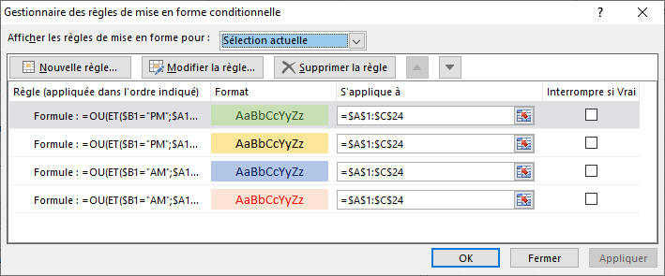
0:30:00 | AM | 0:30 AM |  | Sélectionner l'ensemble des colonnes
1:03:00 | AM | 1:03 AM |  | Onglet ACCUEIL section Édition développer / Trier en filtrer choisir tri personnalisé
2:54:00 | AM | 2:54 AM |  | suivre les captures ci-dessous confrimer par OK OK
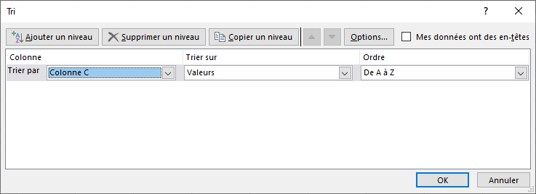
3:40:00 | AM | 3:40 AM
4:20:00 | AM | 4:20 AM
5:30:00 | AM | 5:30 AM
6:10:00 | AM | 6:10 AM
7:05:00 | AM | 7:05 AM
8:59:00 | AM | 8:59 AM
9:03:00 | AM | 9:03 AM
10:15:00 | AM | 10:15 AM
11:25:00 | AM | 11:25 AM
0:40:00 | PM | 0:40 PM
1:55:00 | PM | 1:55 PM
2:01:00 | PM | 2:01 PM
3:56:00 | PM | 3:56 PM
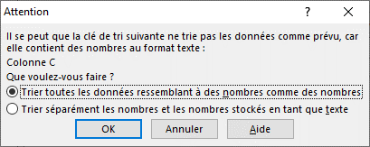
4:50:00 | PM | 4:50 PM
5:10:00 | PM | 5:10 PM
6:25:00 | PM | 6:25 PM |  |  | en choisissant le premier les heures AM seron en tête
7:45:00 | PM | 7:45 PM |  |  | contrairement au deuxième cas -voir Feuil2-
8:42:00 | PM | 8:42 PM |  |  | où c'est trié dans l'ordre des heures uniquement
9:12:00 | PM | 9:12 PM
10:51:00 | PM | 10:51 PM
11:11:00 | PM | 11:11 PM

 |  |  | 4 formules de MFC
 |  |  | =OU(ET($B1="AM";$A1>=0/24;$A1<=1/24);ET($B1="AM";$A1>=2/24;$A1<=3/24);ET($B1="AM";$A1>=4/24;$A1<=5/24);ET($B1="AM";$A1>=6/24;$A1<=7/24);ET($B1="AM";$A1>=8/24;$A1<=9/24);ET($B1="AM";$A1>=10/24;$A1<=11/24))
 |  |  | =OU(ET($B1="AM";$A1>=1/24;$A1<=2/24);ET($B1="AM";$A1>=3/24;$A1<=4/24);ET($B1="AM";$A1>=5/24;$A1<=6/24);ET($B1="AM";$A1>=7/24;$A1<=8/24);ET($B1="AM";$A1>=9/24;$A1<=10/24);ET($B1="AM";$A1>=11/24;$A1<=12/24))
 |  |  | =OU(ET($B1="PM";$A1>=0/24;$A1<=1/24);ET($B1="PM";$A1>=2/24;$A1<=3/24);ET($B1="PM";$A1>=4/24;$A1<=5/24);ET($B1="PM";$A1>=6/24;$A1<=7/24);ET($B1="PM";$A1>=8/24;$A1<=9/24);ET($B1="PM";$A1>=10/24;$A1<=11/24))
 |  |  | =OU(ET($B1="PM";$A1>=1/24;$A1<=2/24);ET($B1="PM";$A1>=3/24;$A1<=4/24);ET($B1="PM";$A1>=5/24;$A1<=6/24);ET($B1="PM";$A1>=7/24;$A1<=8/24);ET($B1="PM";$A1>=9/24;$A1<=10/24);ET($B1="PM";$A1>=11/24;$A1<=12/24))

Feuil2
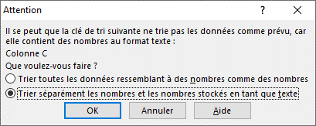
0:30:00 | AM | 0:30 AM
0:40:00 | PM | 0:40 PM
1:03:00 | AM | 1:03 AM
1:55:00 | PM | 1:55 PM
10:15:00 | AM | 10:15 AM
10:51:00 | PM | 10:51 PM
11:11:00 | PM | 11:11 PM
11:25:00 | AM | 11:25 AM
2:01:00 | PM | 2:01 PM
2:54:00 | AM | 2:54 AM
3:40:00 | AM | 3:40 AM
3:56:00 | PM | 3:56 PM
4:20:00 | AM | 4:20 AM
4:50:00 | PM | 4:50 PM
5:10:00 | PM | 5:10 PM
5:30:00 | AM | 5:30 AM
6:10:00 | AM | 6:10 AM
6:25:00 | PM | 6:25 PM
7:05:00 | AM | 7:05 AM
7:45:00 | PM | 7:45 PM
8:42:00 | PM | 8:42 PM
8:59:00 | AM | 8:59 AM
9:03:00 | AM | 9:03 AM
9:12:00 | PM | 9:12 PM

