Feuil1
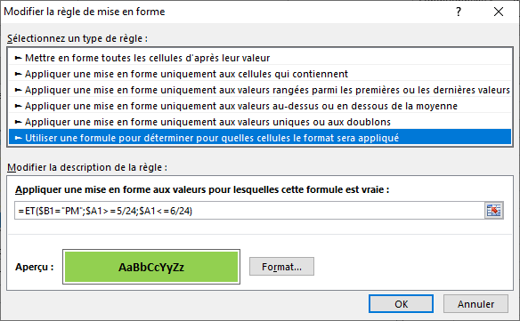
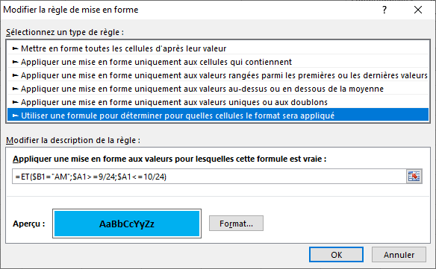
4:50:00 | PM | 4:50 PM
5:10:00 | PM | 5:10 PM
8:59:00 | AM | 8:59 AM
9:03:00 | AM | 9:03 AM
9:58:00 | AM | 9:58 AM
5:59:00 | PM | 5:59 PM

