Melbourne
AUSTRALIE - 17 MARS 2019

PILOTES | ECURIES | VOITURES | Finish | Pt tour | Points | CLASSEMENT
 |  |  |  |  |  | ÉCURIES | POINTS | RANG
HAMILTON Lewis | MERCEDES |  | 2 |  | 18 | MERCEDES | 44 | 1
BOTTAS Valterri |  |  | 1 | 1 | 26 | FERRARI | 22 | 2
 |  |  |  |  |  | RED BULL | 15 | 3
VETTEL Sebastian | FERRARI |  | 4 |  | 12 | RACING POINT | 2 | 7
LECLERC Charles |  |  | 5 |  | 10 | WILLIAMS | 0 | 9
 |  |  |  |  |  | RENAULT | 6 | 5
VERSTAPPEN Max | RED BULL |  | 3 |  | 15 | TORO ROSSO | 1 | 8
GASLY Pierre |  |  | 11 |  |  | HASS | 8 | 4
 |  |  |  |  |  | Mc LAREN | 0 | 9
PEREZ Sergio | RACING POINT |  | 13 |  |  | ALFA ROMÉO | 4 | 6
STROLL Lance |  |  | 9 |  | 2
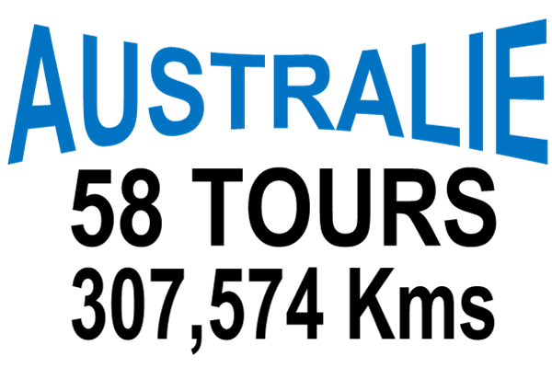
RUSSELL George | WILLIAMS |  | 16
KUBICA Robert |  |  | 17

RICCIARDO Daniel | RENAULT |  | OUT
HULKENBERG Nico |  |  | 7 |  | 6

KVYAT Daniil | TORO ROSSO |  | 10 |  | 1
ALBON Alexander |  |  | 14

GROSJEAN Romain | HAAS |  | OUT
MAGNUSSEN Kevin |  |  | 6 |  | 8

NORRIS Lando | McLAREN |  | 12
SAINZ.Jr Carlos |  |  | OUT

RAÏKKÖNEN Kimi | ALFA ROMEO |  | 8 |  | 4
GIOVANIZZI Antonio |  |  | 15

Bahreïn
BAHREÏN - 17 MARS 2019

PILOTES | ECURIES | VOITURES | Finish | Pt tour | Points | CLASSEMENT
 |  |  |  |  |  | ÉCURIES | POINTS | RANG
HAMILTON Lewis | MERCEDES |  | 1 |  | 25 | MERCEDES | 43 | 1
BOTTAS Valterri |  |  | 2 |  | 18 | FERRARI | 26 | 2
 |  |  |  |  |  | RED BULL | 16 | 3
VETTEL Sebastian | FERRARI |  | 5 |  | 10 | RACING POINT | 1 | 7
LECLERC Charles |  |  | 3 | 1 | 16 | WILLIAMS | 0 | 8
 |  |  |  |  |  | RENAULT | 0 | 8
VERSTAPPEN Max | RED BULL |  | 4 |  | 12 | TORO ROSSO | 2 | 6
GASLY Pierre |  |  | 8 |  | 4 | HASS | 0 | 8
 |  |  |  |  |  | Mc LAREN | 8 | 4
PEREZ Sergio | RACING POINT |  | 10 |  | 1 | ALFA ROMÉO | 6 | 5
STROLL Lance |  |  | 14
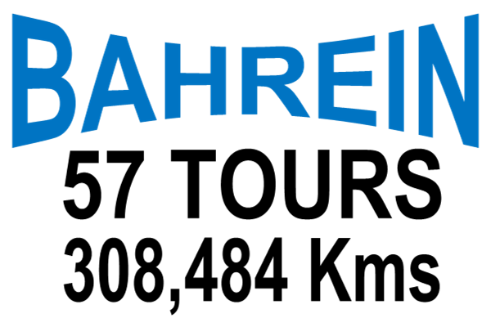
RUSSELL George | WILLIAMS |  | 15
KUBICA Robert |  |  | 16

RICCIARDO Daniel | RENAULT |  | Out
HULKENBERG Nico |  |  | Out

KVYAT Daniil | TORO ROSSO |  | 12
ALBON Alexander |  |  | 9 |  | 2

GROSJEAN Romain | HAAS |  | Out
MAGNUSSEN Kevin |  |  | 13

NORRIS Lando | McLAREN |  | 6 |  | 8
SAINZ.Jr Carlos |  |  | Out

RAÏKKÖNEN Kimi | ALFA ROMEO |  | 7 |  | 6
GIOVANIZZI Antonio |  |  | 11

