Feuil1
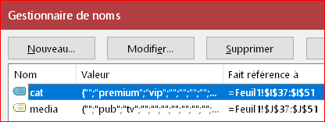
category | = | premium
type of media | = | pub
 |  | 600

category |  |  | type of media | budget | cat | media
premium |  |  | tv | 100
premium |  |  | pub | 200 | premium | pub
vip |  |  | pub | 300 | vip | tv
premium |  |  | pub | 400
vip |  |  | tv | 500

