Model
GO

 |  |  |  | _C160

INPUT DATA
 | Input | Amount | Unit | Ranges
❶ | totalC161int | 2 | g/kgDMI | 0.07 - 2.80 (0.47)
❷ | C160int | 4 | g/kgDMI | 3.70 - 24.8 (8.69)
❸
❹

factors_exp
MFA | _C4C14 | _C160 | _C180 | _C181cis9 | _C182n6 | _C183n3 | _C181trans10 | _C182trans10cis12 | _C181trans11 | _C182cis9trans11 | _EPA | _DPA | _DHA
ExpFact | Forage | Forage | Forage | Forage | Forage | Forage | Forage | Seed/Oil/Fat | Forage | Oil/Fat | Fish | Fish | Fish
 | Seed | Seed/Oil/Fat | Seed/Oil/Fat | Seed | Seed/Oil/Fat | Seed | Seed |  | Seed/Oil/Fat
 | Oil/Fat |  | Fish | Oil/Fat | Fish | Oil/Fat | Oil/Fat |  | Fish
 |  |  |  | Fish |  | Fish | Fish

 |  |  |  |  |  |  |  |  | MFAS
MFA_OBCFA | _C150 | _isoC150 | _C170_1 | _C170_2 | _isoC170 | _anteisoC170_1 | _anteisoC170_2 |  | _C4C14
ExpFact_OBCFA | Forage/Seed/Oil | Forage/Seed/Oil | Forage/Seed/Oil | Forage/Seed/Oil | Forage/Seed/Oil | Forage/Seed/Oil | Forage/Seed/Oil |  | _C160
 |  |  |  |  |  |  |  |  | _C180
 |  |  |  |  |  |  |  |  | _C181cis9
 |  |  |  |  |  |  |  |  | _C182n6
 |  |  |  |  |  |  |  |  | _C183n3
 |  |  |  |  |  |  |  |  | _C181trans10
 |  |  |  |  |  |  |  |  | _C182trans10cis12
 |  |  |  |  |  |  |  |  | _C181trans11
 |  |  |  |  |  |  |  |  | _C182cis9trans11
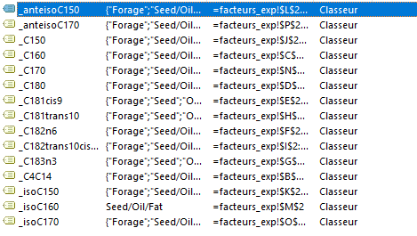
 |  |  |  |  |  |  |  |  | _EPA
 |  |  |  |  |  |  |  |  | _DPA
 |  |  |  |  |  |  |  |  | _DHA

