Sheet1
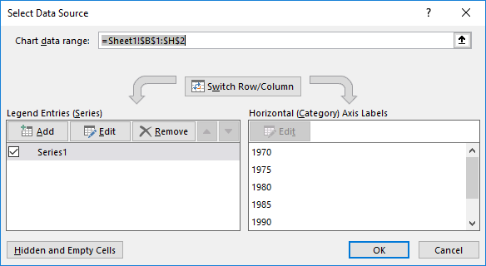
 | 1970 | 1975 | 1980 | 1985 | 1990 | 1995 | 2000
Angola | 14 | 16 | 18 |  | 22 | 24 | 26
1970 | 14
1975 | 16
1980 | 18
1985
1990 | 22
1995 | 24
2000 | 26

