Feuil1
Semi-Compliant | 2016-01-01

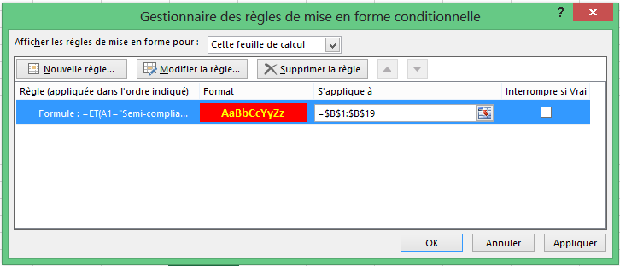
Semi-Compliant

Semi-Compliant | 2016-01-03

Semi-Compliant | 2016-01-04

Semi-Compliant | 2016-01-05

Semi-Compliant
Semi-Compliant | 2016-01-06

Semi-Compliant

