Quotation
CUSTOMER | MODEL # | DIMENSIONS LOGO |  | Price THERATEXTILE | PRICE SUPPLIER MARCO POLO (LILY) / SAMPLES RECEIVED NEW PRICE FOR 2000 MOQ | Diff | PRICE SUPPLIER CANASIN (RILEY) / SAMPLES COST 100 USD (different quality/size) | Diff | PRICE SUPPLIER GOCHF (JAMES) / SAMPLES COST 45 USD | Diff
OCEAN VIEW | TOWEL MAT 50 CM *70 CM 720 GR/M2 WITH LOGO IN THE MIDDLE | Logo 8 cm x 9cm | 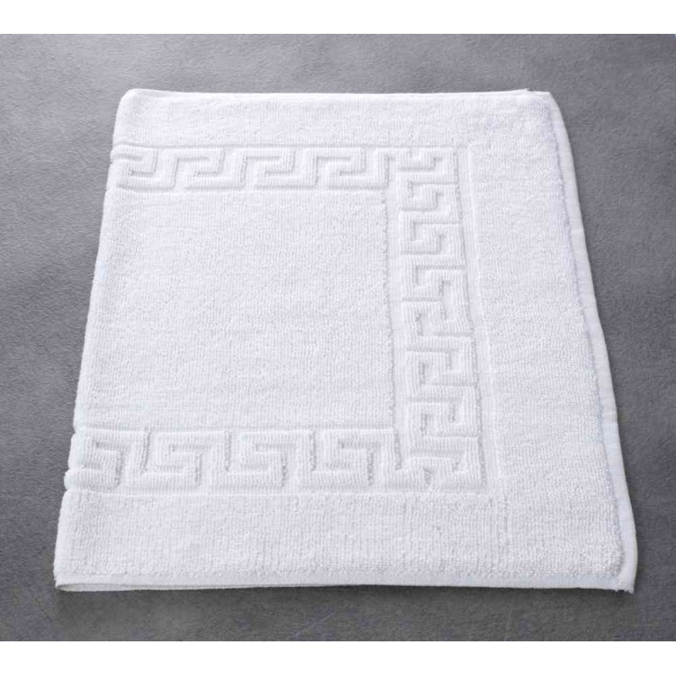 | 2.95 | $2.20 | -25.42% | $1.77 | -40.00% | $1.94 | -34.24%

OCEAN VIEW | 50 CM*100 CM EMBROIDERED HAND TOWEL 500 gr/m2 WITH LOGO | Logo 8,5 cm x 9cm | 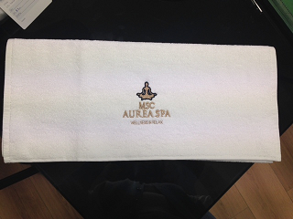 | 2.5 | $2.83 | 13.20% | $1.97 | -21.20% | $1.72 | -31.20%

OCEAN VIEW | 50 CM*100 CM STRIPED HAND TOWEL 400 gr/m2 NO LOGO | No Logo | 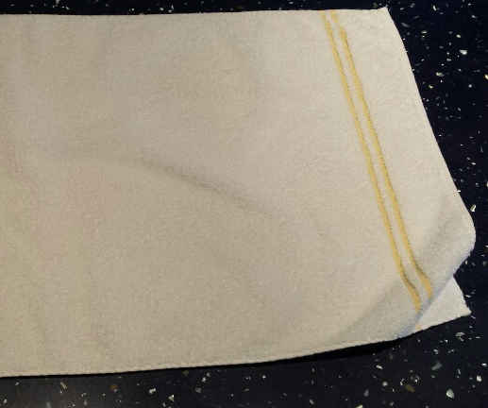 | 2.05 | $1.92 | -6.34% | $1.65 | -19.51% | $2.00 | -2.44%

OCEAN VIEW | 100 CM * 200 CM EMBROIDERED SHOWER TOWEL 500 gr/m2 WITH LOGO | Logo 10,5 cm x 12 cm | 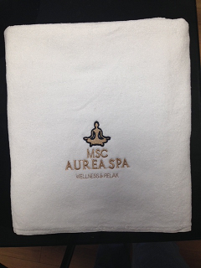 | 8.9 | $8.80 | -1.12% | $7.37 | -17.19% | $5.98 | -32.81%

OCEAN VIEW | 150 CM * 100 CM EMBROIDERED SHOWER TOWEL 500 gr/m2 WITH LOGO | Logo 10,5 cm x 12 cm |  | 6.35 | $7.00 | 10.24% | $5.59 | -11.97% | $4.56 | -28.19%

